Sheet9
Count of Emp no
Row Labels | Count of Employees
Accounting | 96
Asian | 41
Black | 3
Caucasian | 32
Latino | 20
Engineering | 158
Asian | 56
Black | 7
Caucasian | 44
Latino | 51
Finance | 120
Asian | 51
Black | 9
Caucasian | 27
Latino | 33
IT | 241
Asian | 93
Black | 20
Caucasian | 75
Latino | 53
Marketing | 120
Asian | 55
Black | 8
Caucasian | 33
Latino | 24
Sales | 140
Asian | 58
Black | 13
Caucasian | 32
Latino | 37

1. Dept vs salary
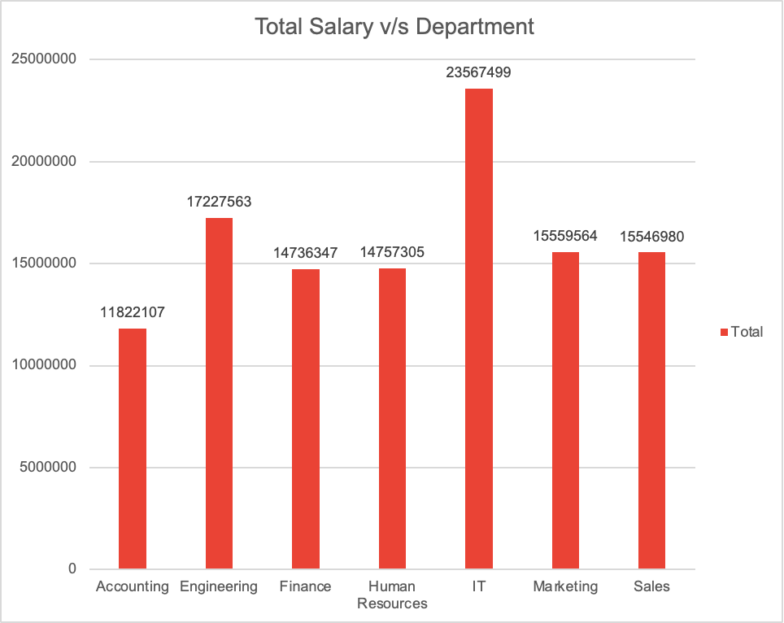
Department | Sum of Annual Salary*Bonus % | 1. Display the graph of Annual salary vs Department.
Accounting | 11,822,107.00
Engineering | 17,227,563.00
Finance | 14,736,347.00
Human Resources | 14,757,305.00
IT | 23,567,499.00
Marketing | 15,559,564.00
Sales | 15,546,980.00

2. Salary vs Job title
 |  | 2. Display the graph of Annual salary vs Job title.

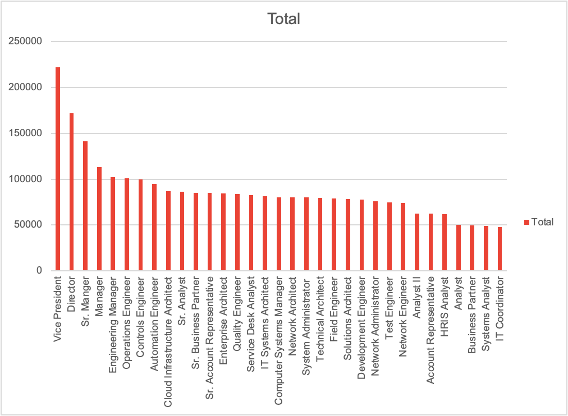
Job Title | Average of Annual Salary*Bonus %
Vice President | 222195.1714
Director | 171633.8512
Sr. Manger | 141067.7636
Manager | 113275.6837
Engineering Manager | 101853.8
Operations Engineer | 101135.25
Controls Engineer | 99626.13333
Automation Engineer | 95106.85714
Cloud Infrastructure Architect | 86961.33333
Sr. Analyst | 86402.95714
Sr. Business Partner | 85035.35294
Sr. Account Representative | 84808.22222
Enterprise Architect | 84698.66667
Quality Engineer | 83564.4
Service Desk Analyst | 82329.2
IT Systems Architect | 81496.83333
Computer Systems Manager | 80346.80952
Network Architect | 80092.55556
System Administrator | 79852.66667
Technical Architect | 79773.82353
Field Engineer | 78928.95238
Solutions Architect | 78163.26667
Development Engineer | 77889.21053
Network Administrator | 75908.4
Test Engineer | 74550.83333
Network Engineer | 74171.71429
Analyst II | 62647.4717
Account Representative | 62281.61905
HRIS Analyst | 61760.375
Analyst | 49950.66667
Business Partner | 49559.78947
Systems Analyst | 48787.93333
IT Coordinator | 48024.45455
Grand Total | 113217.365

BU Ans 6,7,8,9
6. Display the graph for Business Units vs. Gender. |  |  |  |  |  | 8. Display the graph for Business Units vs. Departments.
 |  |  | 7. Display the graph for Business Units vs. Annual Salary.
Count of Emp no | Gender |  |  |  |  | Count of Emp no | Department
Business Unit | Female | Male |  | Business Unit | Average of Annual Salary*Bonus % | Business Unit | Accounting | Engineering | Finance | Human Resources | IT | Marketing | Sales
Corporate | 117 | 120 |  | Corporate | 120776.1519 | Corporate | 21 | 35 | 39 | 26 | 52 | 31 | 33
Manufacturing | 148 | 121 |  | Manufacturing | 103651.3717 | Manufacturing | 28 | 33 | 28 | 35 | 82 | 30 | 33
Research & Development | 115 | 114 |  | Research & Development | 112490.2052 | Research & Development | 18 | 43 | 25 | 28 | 55 | 27 | 33
Speciality Products | 138 | 127 |  | Speciality Products | 116796.0038 | Speciality Products | 29 | 47 | 28 | 36 | 52 | 32 | 41
Grand Total | 518 | 482 |  |  |  | Grand Total | 96 | 158 | 120 | 125 | 241 | 120 | 140
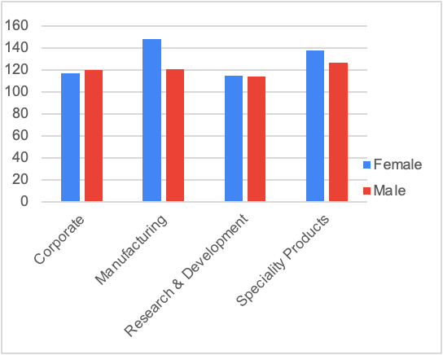
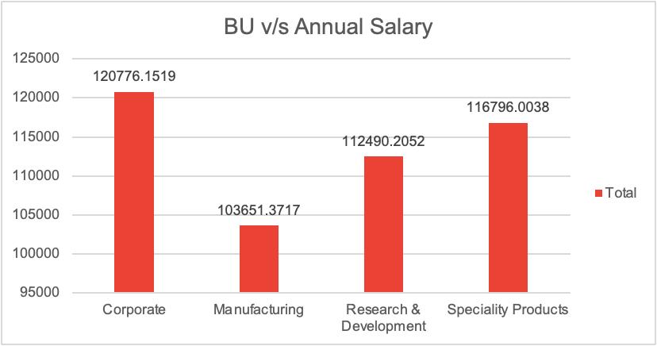
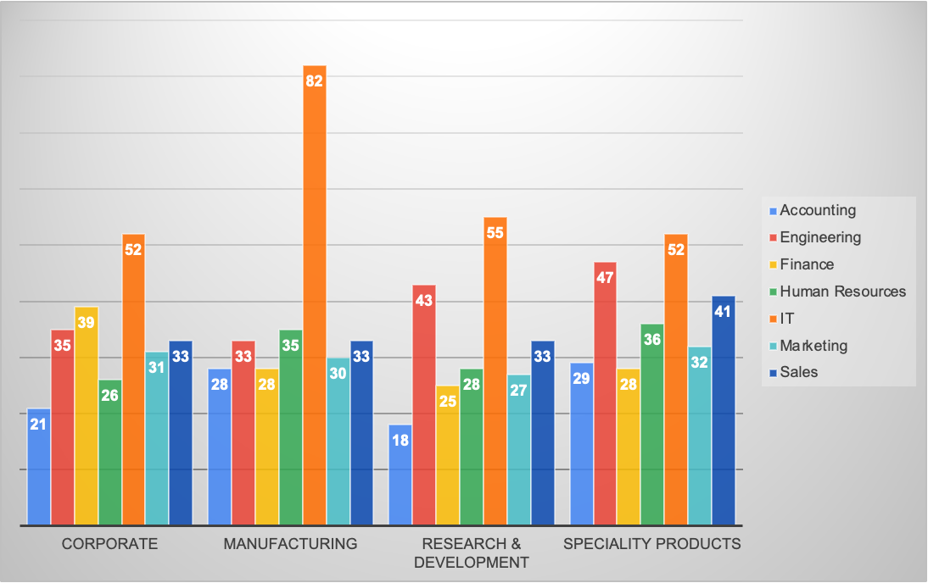

9. Display the graph for Business Unit vs. Age.

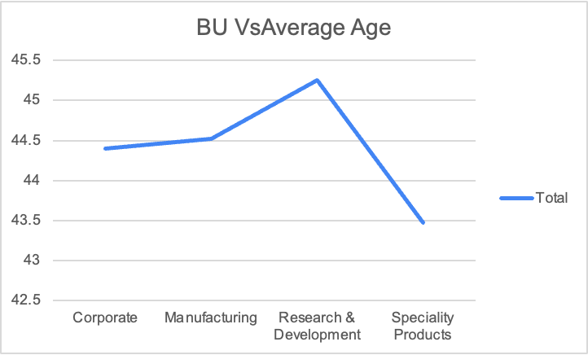
Business Unit | Average of Age
Corporate | 44.39662
Manufacturing | 44.52416
Research & Development | 45.25328
Speciality Products | 43.4717
Grand Total | 44.382

Ans 10
 | 10. Create a graph for Hire date and Bonus received.

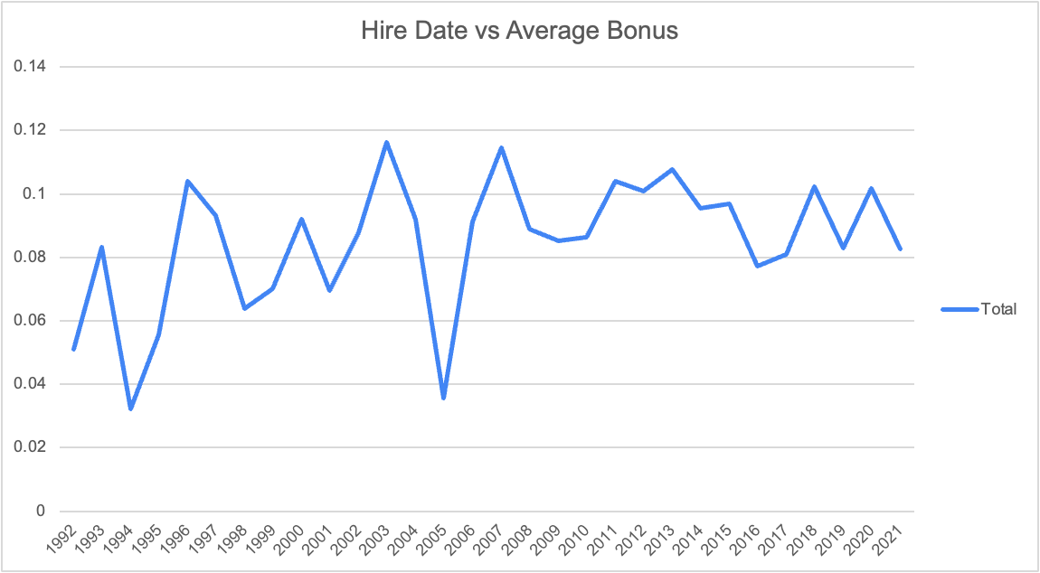
Hire Date | Average of Bonus %
1992 | 0.050909091
1993 | 0.083333333
1994 | 0.032307692
1995 | 0.055555556
1996 | 0.104
1997 | 0.093333333
1998 | 0.06375
1999 | 0.07
2000 | 0.092142857
2001 | 0.069411765
2002 | 0.087826087
2003 | 0.116315789
2004 | 0.092068966
2005 | 0.035555556
2006 | 0.091333333
2007 | 0.114545455
2008 | 0.0888
2009 | 0.085172414
2010 | 0.086428571
2011 | 0.104102564
2012 | 0.100810811
2013 | 0.107692308
2014 | 0.095384615
2015 | 0.096808511
2016 | 0.077115385
2017 | 0.081
2018 | 0.102205882
2019 | 0.082941176
2020 | 0.101818182
2021 | 0.082674419
Grand Total | 0.08866

Graph Annual Salary
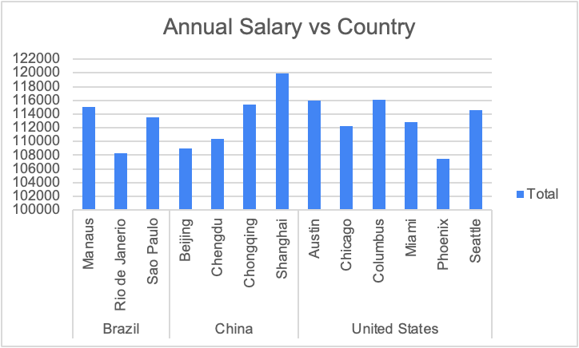
4. Display the graph of Annual salary vs Gender.
5. Display the graph of Annual salary vs country. |  |  |  | Department | Average of Annual Salary*Bonus %
16. Create a graph comparing average Annual Salaries with Departments. |  |  |  | Marketing | 129663.0333
 |  |  |  | Accounting | 123146.9479
 |  |  |  | Finance | 122802.8917
Gender | Average of Annual Salary*Bonus % | Country | Average of Annual Salary*Bonus % | Human Resources | 118058.44
Female | 112314.1795 | Brazil | 112324.8345 | Sales | 111049.8571
Male | 114188.0083 | Manaus | 115079.5 | Engineering | 109035.2089
 |  | Rio de Janerio | 108275.9318 | IT | 97790.45228
 |  | Sao Paulo | 113503.2453 | Grand Total | 113217.365
 |  | China | 113823.5321
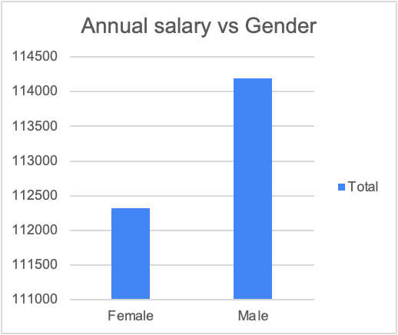
 |  | Beijing | 108979.8909
 |  | Chengdu | 110387.3696
 |  | Chongqing | 115434.9538
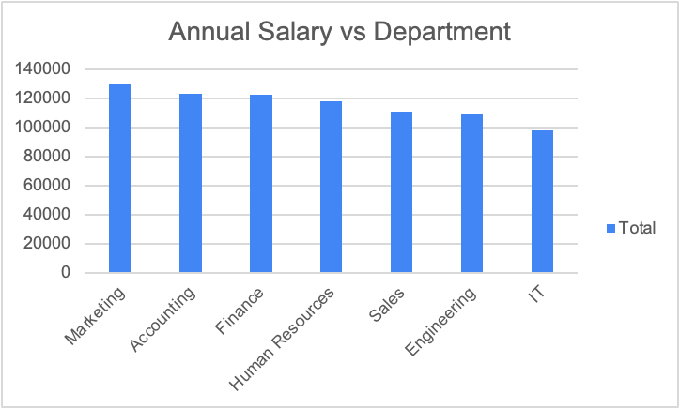
 |  | Shanghai | 119972.0192
 |  | United States | 113204.7947
 |  | Austin | 116000.7677
 |  | Chicago | 112293.413
 |  | Columbus | 116108.3805
 |  | Miami | 112765.25
 |  | Phoenix | 107438.8349
 |  | Seattle | 114532.4153
 |  | Grand Total | 113217.365

